Sheet1
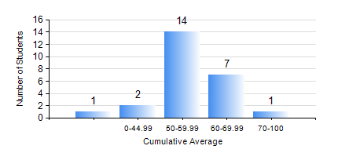
 |  |  | KWAME NKRUMAH UNIVERSITY OF SCIENCE AND TECHNOLOGY, KUMASI Department of Mechanical Engineering

 |  |  | BSC. MARINE ENG.

 |  |  | COMPREHENSIVE RECORD OF EXAMINATION RESULTS

 |  |  | RESULTS OF YEAR 3 SECOND SEMESTER, 2024/2025 ACADEMIC YEAR

 | Sn | Course Code |  | Course Name | Credit Hours | Min. Mark | Max. Mark | Avg. Mark | Std. Dev. | No. Passed | No. Trailed | No. (Df) | No. (I) | No. (I*) | No. Tagged(I,I*,Df) | Total
 | 0. |  |  |  |  |  |  | 0 | 0 | 0 | 0 | 0 | 0 | 0 | 0 | 2
 | 1. | ME 352 |  | FLUID DYNAMICS II | 3 | 10 | 73 | 59 | 12.91 | 22 | 1 | 0 | 0 | 0 | 0 | 23
 | 2. | ME 362 |  | VIBRATIONS I | 3 | 13 | 68 | 50 | 11.67 | 21 | 2 | 0 | 0 | 0 | 0 | 23
 | 3. | ME 366 |  | HEAT TRANSFER | 3 | 32 | 83 | 62 | 11.63 | 22 | 1 | 0 | 0 | 0 | 0 | 23
 | 4. | MME 356 |  | STRENGTH OF MARINE MATERIALS II | 3 | 10 | 68 | 48 | 13.01 | 19 | 4 | 0 | 0 | 0 | 0 | 23
 | 5. | MME 382 |  | NAVAL ARCHITECTURE I | 2 | 33 | 86 | 65 | 12.19 | 22 | 1 | 0 | 0 | 0 | 0 | 23
 | 6. | MME 386 |  | MARINE ELECTRICAL TECHNOLOGY AND ELECTRICAL MEASUREMENTS | 2 | 13 | 82 | 50 | 19.4 | 17 | 6 | 0 | 0 | 0 | 0 | 23
 | 7. | MME 392 |  | MARINE INDUSTRIAL ENGINEERING AND ERGONOMICS | 2 | 44 | 89 | 64 | 12.97 | 23 | 0 | 0 | 0 | 0 | 0 | 23
 | 8. | MME 396 |  | MARINE ENGINEERING LABORATORY III | 1 | 35 | 83 | 64 | 12.09 | 22 | 1 | 0 | 0 | 0 | 0 | 23

